Sheet1
Aperture Website New Images 4.26
 |  | Category
Photo | Image | People | Culture | Architecture | Landscapes | Symbols
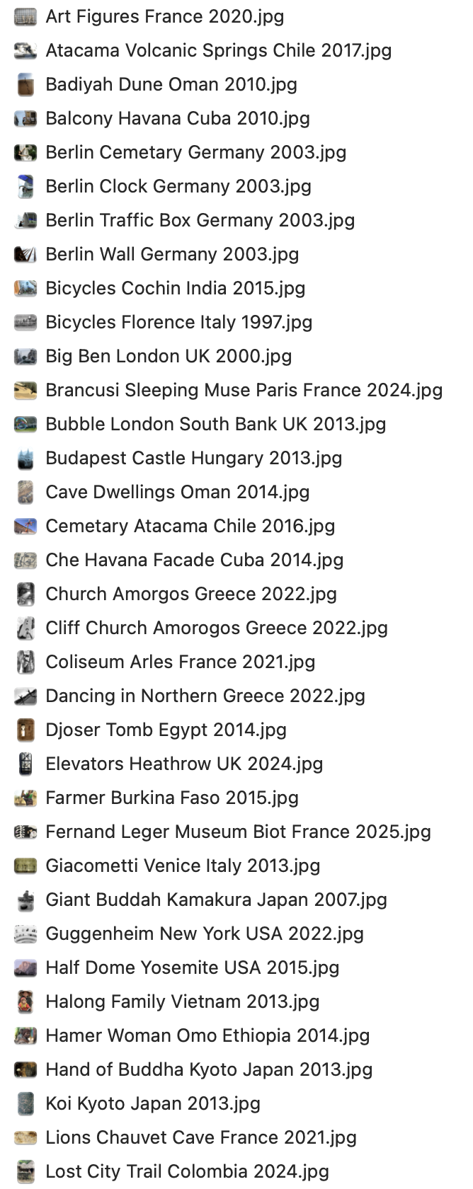
 | 1 | x
 | 2 |  |  |  | x
 | 3 |  |  |  | x
 | 4 |  | x
 | 5 |  |  |  |  | x
 | 6 |  |  | x
 | 7 |  |  | x
 | 8 |  | x
 | 9 |  | x
 | 10 |  | x
 | 11 |  |  | x
 | 12 |  |  |  |  | x
 | 13 |  |  |  |  | x
 | 14 |  |  | x
 | 15 |  |  |  | x
 | 16 |  | x
 | 17 |  |  | x
 | 18 |  |  |  |  | x
 | 19 |  |  | x
 | 20 |  |  | x
 | 21 | x
 | 22 |  |  |  |  | x
 | 23 | x
 | 24 | x
 | 25 |  |  |  |  | x
 | 26 |  |  |  |  | x
 | 27 |  | x
 | 28 |  |  | x
 | 29 |  |  |  | x
 | 30 | x
 | 31 | x
 | 32 |  | x
 | 33 |  |  |  |  | x
 | 34 |  |  |  |  | x
 | 35 | x

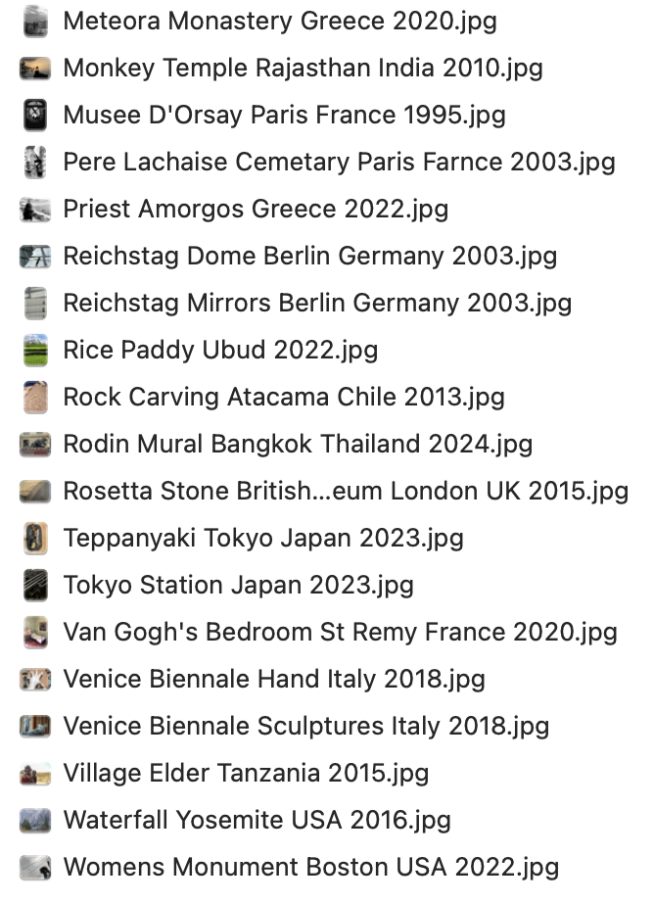
 | 36 |  |  |  | x
 | 37 |  |  | x
 | 38 |  |  |  |  | x
 | 39 | x
 | 40 | x
 | 41 |  |  | x
 | 42 |  |  |  |  | x
 | 43 |  |  | x
 | 44
 | 45 |  | x
 | 46 |  | x
 | 47 |  |  |  |  | x
 | 48 |  | x
 | 49 |  |  |  | x
 | 50 |  | x
 | 51 |  |  |  |  | x
 | 52 |  |  |  |  | x
 | 53 | x
 | 54 |  |  |  | x
 | 55 |  | x

